1. Solution by Solver
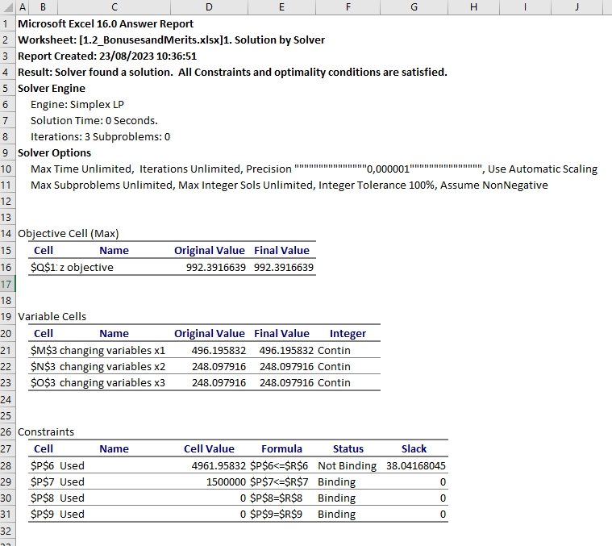
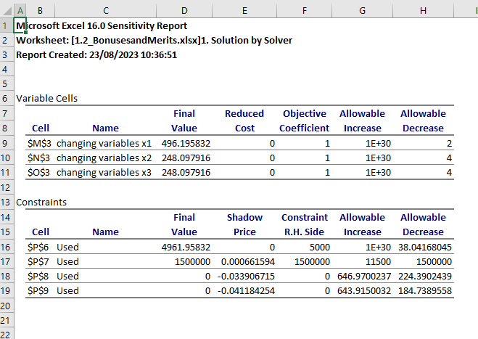
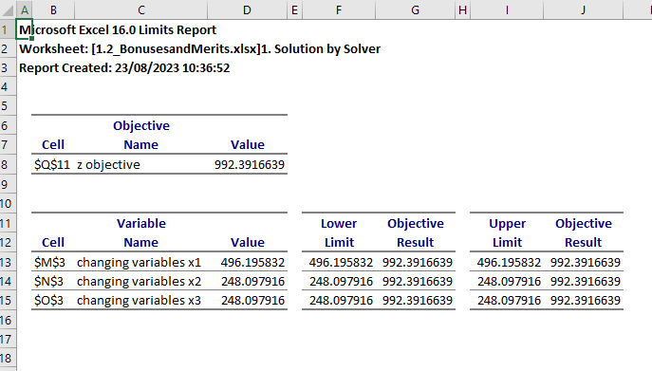
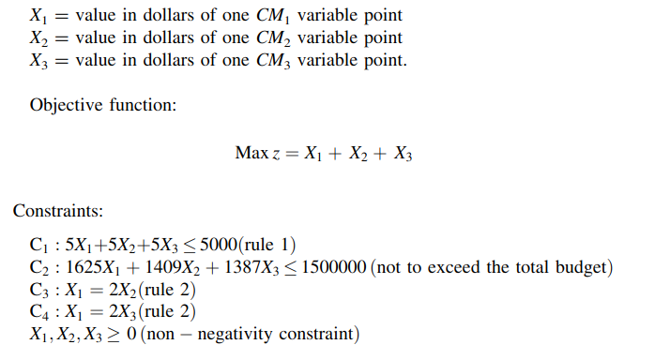
 |  |  | x1 | x2 | x3
 |  | changing variables | 496.19583196 | 248.09791598 | 248.09791598

 |  | constraints |  |  |  | Used |  | Available
 |  | 1 | 2480.9791598 | 1240.4895799 | 1240.4895799 | 4961.9583196 | <= | 5000
 |  | 2 | 806318.22693 | 349569.96361 | 344111.80946 | 1500000 | <= | 1500000
 |  | 3 | 496.19583196 | -496.19583196 | 0 | 0 | .= | 0
 |  | 4 | 496.19583196 | 0 | -496.19583196 | 0 | .= | 0
 |  |  |  |  |  |  | objective
 |  | z | 496.19583196 | 248.09791598 | 248.09791598 |  | 992.39166391

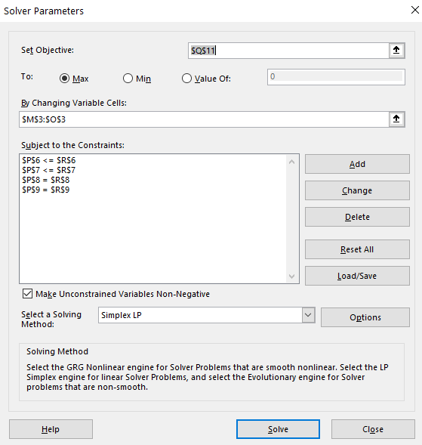
 | max: X1 + X2 + X3

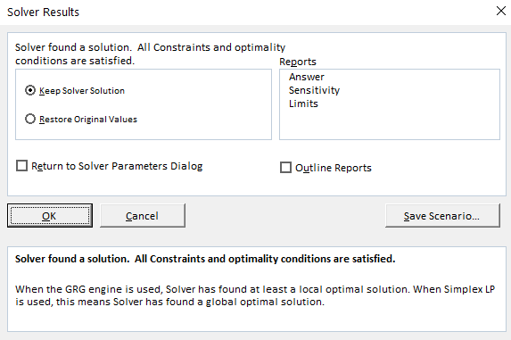
C1 | 5*x1+5*x2+5*x3<=5000
C2 | 1625*x1+1409*x2+1387*x3<=1500000
C3 | x1-2*x2=0
C4 | x1-2*x3=0

2. Solution Simplex
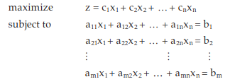
 |  |  | 1. Equations in standard form, including slack / surplus variables
 |  |  | changing <= and => to =
 |  |  |  |  |  |  |  |  | a + b <= c |  | a + b + s1 = c
 |  |  |  |  |  |  |  |  | a + b >= c |  | a + b - s2 = c

 |  |  |  |  |  |  |  |  |  | s1, s2 >= 0

 |  |  | maximize | z = 1*x1 + 1*x2 + 1*x3 + 0*s1 + 0*s2
 |  |  |  | 5*x1+5*x2+5*x3 + s1 =5000
 |  |  |  | 1625*x1+1409*x2+1387*x3 + s2 =1500000
 |  |  |  | x1-2*x2=0
 |  |  |  | x1-2*x3=0
 |  |  |  | s1, s2, x1, x2, x3>=0

 | max: X1 + X2 + X3 |  | 2. Pick an (n - m) number of non-basic variables and build the first Tableau

objective function,
z - x1 - x2 -x3 + 0s1 + 0s2
C1 | 5*x1+5*x2+5*x3<=5000 |  | m = number of equations = 4 |  |  |  |  |  | non-basic variable --> we set it to zero
C2 | 1625*x1+1409*x2+1387*x3<=1500000 |  | n = number of variables = 5 |  |  |  |  |  | basic variable --> we solve it, not setting to zero
C3 | x1-2*x2=0
C4 | x1-2*x3=0 |  | n - m = 1 non-basic variables |  |  |  | non-basic variables chosen: x1
 |  |  |  |  |  |  | basic variables chosen: s1, s2, x2, x3

 |  |  |  |  |  |  | x1 = 0 --> x2 = 0, x3 = 0, s1 = 5000, s2 = 1500000, z = 0

 |  |  |  | z | x1 | x2 | x3 | s1 | s2 | solution |  |  | z | x1 | x2 | x3 | s1 | s2 | solution
 |  |  | Z | 1 | -1 | -1 | -1 |  |  | 0 |  | Z | 1 | -1 | -1 | -1 |  |  | 0
 |  |  | s1 |  | 5 | 5 | 5 | 1 |  | 5000 |  | s1 |  | 5 | 5 | 5 | 1 |  | 5000
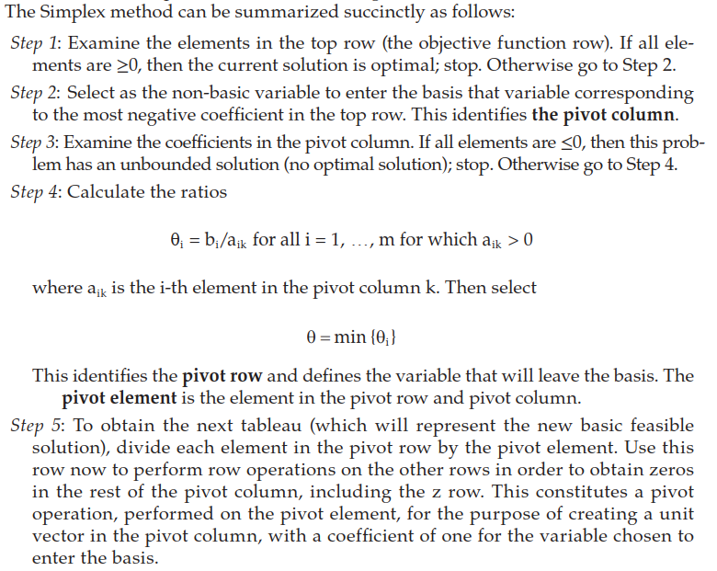
 |  |  | s2 |  | 1625 | 1409 | 1387 |  | 1 | 1500000 |  | s2 |  | 1625 | 1409 | 1387 |  | 1 | 1500000
current value of Z and of the
current basic variables (NOT
the value of the contraints)
 |  |  | x2 |  | 1 | -2 |  |  |  | 0 |  | x2 |  | 1 | -2 |  |  |  | 0
 |  |  | x3 |  | 1 |  | -2 |  |  | 0 |  | x3 |  | 1 |  | -2 |  |  | 0

current basic variables
coefficients of all variables
in constraints

 |  |  | 3. Follow the Simplex method described to the left

 |  |  | Iteration 3.1 |  |  |  |  |  |  |  |  |  |  | Iteration 3.2 |  |  |  |  |  |  |  |  | Iteration 3.3 |  |  |  |  |  |  |  | Iteration 3.4

 |  |  | 1. In top row (Z) 3 elements are negative, so solution is NOT optimal |  |  |  |  |  |  |  |  |  |  | 1. In top row (Z) 2 elements are negative, so solution is NOT optimal |  |  |  |  |  |  |  |  | 1. In top row (Z) 1 element is negative, so solution is NOT optimal |  |  |  |  |  |  |  | 1. In top row (Z) all elements are positive, so solution IS optimal

 |  |  |  | z | x1 | x2 | x3 | s1 | s2 | solution |  |  |  |  | z | x1 | x2 | x3 | s1 | s2 | solution |  |  | z | x1 | x2 | x3 | s1 | s2 | solution |  | z | x1 | x2 | x3 | s1 | s2 | solution
 |  |  | Z | 1 | -1 | -1 | -1 |  |  | 0 |  |  |  | Z | 1 | 0 | -1 | -3 |  |  | 0 |  | Z | 1 | 0 | -4 | 0 |  |  | 0 | Z | 1 | 0 | 0 | 0 |  | 0.00066159444261 | 992.39166391
 |  |  | s1 |  | 5 | 5 | 5 | 1 |  | 5000 |  |  |  | s1 |  | 0 | 5 | 15 | 1 |  | 5000 |  | s1 |  | 0 | 20 | 0 | 1 |  | 5000 | s1 |  | 0 | 0 | 0 | 1 | -0.003307972213 | 38.04168045
 |  |  | s2 |  | 1625 | 1409 | 1387 |  | 1 | 1500000 |  |  |  | s2 |  | 0 | 1409 | 4637 |  | 1 | 1500000 |  | s2 |  | 0 | 6046 | 0 |  | 1 | 1500000 | x2 |  | 0 | 1 | 0 |  | 0.00017 | 248.09791598
 |  |  | x2 |  | 1 | -2 |  |  |  | 0 |  |  |  | x2 |  | 0 | -2 | 2 |  |  | 0 |  | x3 |  | 0 | -1 | 1 |  |  | 0 | x3 |  | 0 | 0 | 1 |  | 0.00017 | 248.09791598
 |  |  | x3 |  | 1 |  | -2 |  |  | 0 |  |  |  | x1 |  | 1 |  | -2 |  |  | 0 |  | x1 |  | 1 | -2 | 0 |  |  | 0 | x1 |  | 1 | 0 | 0 |  | 0.0003307972213 | 496.19583196

 |  |  |  |  |  |  |  |  |  |  |  |  |  |  |  |  |  |  |  |  |  |  |  |  |  |  |  |  |  |  |  | Optimal point
 |  |  | 2. We choose to act on the most negative coefficient. We choose x1 (same as x2 or x3) |  |  |  |  |  |  |  |  |  |  | 2. We choose to act on the most negative coefficient. We choose x3 |  |  |  |  |  |  |  |  | 2. We choose to act on the most negative coefficient. We choose x2
 |  |  |  |  |  |  |  |  |  |  |  |  |  |  |  |  |  |  |  |  |  |  |  |  |  |  |  |  |  |  |  | x1 --> | 496.2
 |  |  |  | z | x1 | x2 | x3 | s1 | s2 | solution |  |  |  |  | z | x1 | x2 | x3 | s1 | s2 | solution |  |  | z | x1 | x2 | x3 | s1 | s2 | solution |  | x2 --> | 248.1
 |  |  | Z | 1 | -1 | -1 | -1 |  |  | 0 |  |  |  | Z | 1 | 0 | -1 | -3 |  |  | 0 |  | Z | 1 | 0 | -4 | 0 |  |  | 0 |  | x3 --> | 248.1
 |  |  | s1 |  | 5 | 5 | 5 | 1 |  | 5000 |  |  |  | s1 |  | 0 | 5 | 15 | 1 |  | 5000 |  | s1 |  | 0 | 20 | 0 | 1 |  | 5000 |  | Z* --> | 992.39
 |  |  | s2 |  | 1625 | 1409 | 1387 |  | 1 | 1500000 |  |  |  | s2 |  | 0 | 1409 | 4637 |  | 1 | 1500000 |  | s2 |  | 0 | 6046 | 0 |  | 1 | 1500000
 |  |  | x2 |  | 1 | -2 |  |  |  | 0 |  |  |  | x2 |  | 0 | -2 | 2 |  |  | 0 |  | x3 |  | 0 | -1 | 1 |  |  | 0
 |  |  | x3 |  | 1 |  | -2 |  |  | 0 |  |  |  | x1 |  | 1 |  | -2 |  |  | 0 |  | x1 |  | 1 | -2 | 0 |  |  | 0

 |  |  | 3. All elements of pivot column are NOT <= 0, so there IS an optimal solution |  |  |  |  |  |  |  |  |  |  | 3. All elements of pivot column are NOT <= 0, so there IS an optimal solution |  |  |  |  |  |  |  |  | 3. All elements of pivot column are NOT <= 0, so there IS an optimal solution

 |  |  | 4. Calculate the phi ratios, select the minimum and define pivot row and element |  |  |  |  |  |  |  |  |  |  | 4. Calculate the phi ratios, select the minimum and define pivot row and element |  |  |  |  |  |  |  |  | 4. Calculate the phi ratios, select the minimum and define pivot row and element

 |  |  | phi1 = 50/5= 10 |  |  |  | phi = min (phi1, phi2, phi3, phi4) = phi4 |  |  |  |  |  |  | phi1 = 5000/15= 333.33 |  |  |  | phi = min (phi1, phi2, phi3) = phi3 |  |  |  |  | phi1 = 5000/20= 250 |  |  |  | phi = min (phi1, phi2) = phi2
 |  |  | phi2= 1500000/1625 = 923.07 |  |  |  | (could have been phi3 too) |  |  |  |  |  |  | phi2= 1500000/4637 = 323.49 |  |  |  |  |  |  |  |  | phi2= 1500000/6046 = 248.1
 |  |  | phi3 = 0/1 = 0 |  |  |  |  |  |  |  |  |  |  | phi3 = 0/2 = 0 |  |  |  |  |  |  |  |  | phi3 = 0/-1 <-- cannot select it because -1 < 0
 |  |  | phi4= 0/1 = 0 |  |  |  |  |  |  |  |  |  |  | phi4 = 0/-2 <-- cannot select it because -2 < 0 |  |  |  |  |  |  |  |  | phi4 = 0/-2 <-- cannot select it because -2 < 0

pivot row
pivot row
pivot row
0
 |  |  |  | z | x1 | x2 | x3 | s1 | s2 | solution |  |  |  |  | z | x1 | x2 | x3 | s1 | s2 | solution |  |  | z | x1 | x2 | x3 | s1 | s2 | solution
 |  |  | Z | 1 | -1 | -1 | -1 |  |  | 0 |  |  |  | Z | 1 | 0 | -1 | -3 |  |  | 0 |  | Z | 1 | 0 | -4 | 0 |  |  | 0
 |  |  | s1 |  | 5 | 5 | 5 | 1 |  | 5000 |  |  |  | s1 |  | 0 | 5 | 15 | 1 |  | 5000 |  | s1 |  | 0 | 20 | 0 | 1 |  | 5000
 |  |  | s2 |  | 1625 | 1409 | 1387 |  | 1 | 1500000 |  |  |  | s2 |  | 0 | 1409 | 4637 |  | 1 | 1500000 |  | s2 |  | 0 | 6046 | 0 |  | 1 | 1500000
 |  |  | x2 |  | 1 | -2 |  |  |  | 0 |  |  |  | x2 |  | 0 | -2 | 2 |  |  | 0 |  | x3 |  | 0 | -1 | 1 |  |  | 0
pivot element
pivot element
 |  |  | x3 |  | 1 |  | -2 |  |  | 0 |  |  |  | x1 |  | 1 |  | -2 |  |  | 0 |  | x1 |  | 1 | -2 | 0 |  |  | 0
pivot element
leaving variable
leaving variable
leaving variable

 |  |  | 5. Divide elements of pivot row by pivot element, and with the pivot row create zeros in |  |  |  |  |  |  |  |  |  |  | 5. Divide elements of pivot row by pivot element, and with the pivot row create zeros in |  |  |  |  |  |  |  |  | 5. Divide elements of pivot row by pivot element, and with the pivot row create zeros in
 |  |  | the rest of the pivot column (constraints and objective function). In the first column, |  |  |  |  |  |  |  |  |  |  | the rest of the pivot column (constraints and objective function). In the first column, |  |  |  |  |  |  |  |  | the rest of the pivot column (constraints and objective function). In the first column,
 |  |  | change only in the writing the leaving variable for the entering variable |  |  |  |  |  |  |  |  |  |  | change only in the writing the leaving variable for the entering variable |  |  |  |  |  |  |  |  | change only in the writing the leaving variable for the entering variable

 |  |  |  | x3 --> x1 |  |  |  |  |  |  |  |  |  |  | x2 --> x3 |  |  |  |  |  |  |  |  | s2 --> x2

 |  |  |  | LE / 1 --> LE |  |  |  |  |  |  |  |  |  |  | LD / 2 --> LD |  |  |  |  |  |  |  |  | LC / 6046 --> LC

 |  |  |  | z | x1 | x2 | x3 | s1 | s2 | solution |  |  |  |  | z | x1 | x2 | x3 | s1 | s2 | solution |  |  | z | x1 | x2 | x3 | s1 | s2 | solution
 |  | LA | Z | 1 | -1 | -1 | -1 |  |  | 0 |  |  | LA | Z | 1 | 0 | -1 | -3 |  |  | 0 | LA | Z | 1 | 0 | -4 | 0 |  |  | 0
 |  | LB | s1 |  | 5 | 5 | 5 | 1 |  | 5000 |  |  | LB | s1 |  | 0 | 5 | 15 | 1 |  | 5000 | LB | s1 |  | 0 | 20 | 0 | 1 |  | 5000
 |  | LC | s2 |  | 1625 | 1409 | 1387 |  | 1 | 1500000 |  |  | LC | s2 |  | 0 | 1409 | 4637 |  | 1 | 1500000 | LC | x2 |  | 0 | 1 | 0 |  | 0.00017 | 248.09791598
 |  | LD | x2 |  | 1 | -2 |  |  |  | 0 |  |  | LD | x3 |  | 0 | -1 | 1 |  |  | 0 | LD | x3 |  | 0 | -1 | 1 |  |  | 0
 |  | LE | x1 |  | 1 |  | -2 |  |  | 0 |  |  | LE | x1 |  | 1 |  | -2 |  |  | 0 | LE | x1 |  | 1 | -2 | 0 |  |  | 0

 |  |  |  | LD - LE --> LD |  |  |  |  |  |  |  |  |  |  | LE + 2LD --> LE |  |  |  |  |  |  |  |  | LE + 2LC --> LE
 |  |  |  | LC - 1625LE --> LC |  |  |  |  |  |  |  |  |  |  | LC - 4637LD --> LC |  |  |  |  |  |  |  |  | LD + LC --> LD
 |  |  |  | LB - 5LE --> LB |  |  |  |  |  |  |  |  |  |  | LB - 15LD --> LB |  |  |  |  |  |  |  |  | LB - 20LC --> LB
 |  |  |  | LA + LE --> LA |  |  |  |  |  |  |  |  |  |  | LA + 3LD --> LA |  |  |  |  |  |  |  |  | LA + 4LC --> LA

 |  |  |  | z | x1 | x2 | x3 | s1 | s2 | solution |  |  |  |  | z | x1 | x2 | x3 | s1 | s2 | solution |  |  | z | x1 | x2 | x3 | s1 | s2 | solution
 |  | LA | Z | 1 | 0 | -1 | -3 |  |  | 0 |  |  | LA | Z | 1 | 0 | -4 | 0 |  |  | 0 | LA | Z | 1 | 0 | 0 | 0 |  | 0.00066159444261 | 992.39166391
 |  | LB | s1 |  | 0 | 5 | 15 | 1 |  | 5000 |  |  | LB | s1 |  | 0 | 20 | 0 | 1 |  | 5000 | LB | s1 |  | 0 | 0 | 0 | 1 | -0.003307972213 | 38.04168045
 |  | LC | s2 |  | 0 | 1409 | 4637 |  | 1 | 1500000 |  |  | LC | s2 |  | 0 | 6046 | 0 |  | 1 | 1500000 | LC | x2 |  | 0 | 1 | 0 |  | 0.00017 | 248.09791598
 |  | LD | x2 |  | 0 | -2 | 2 |  |  | 0 |  |  | LD | x3 |  | 0 | -1 | 1 |  |  | 0 | LD | x3 |  | 0 | 0 | 1 |  | 0.00017 | 248.09791598
 |  | LE | x1 |  | 1 |  | -2 |  |  | 0 |  |  | LE | x1 |  | 1 | -2 | 0 |  |  | 0 | LE | x1 |  | 1 | 0 | 0 |  | 0.0003307972213 | 496.19583196

